Invoice
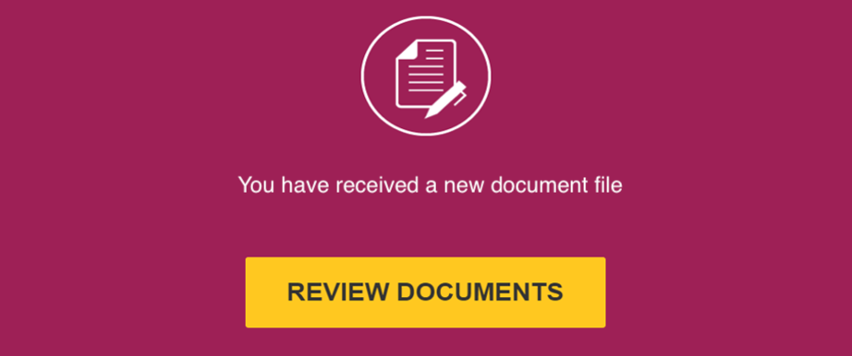

Please click the "REVIEW DOCUMENT" above to access document

