Career Devel (K Grant)
Optional Document numbering system | NIH proposal Checklist |  | Blue = Administrative | All hyperlinks are from the NIH
 | Career Development (K) |  | Yellow = Scientist provided | General formatting |  | https://grants.nih.gov/grants/how-to-apply-application-guide/forms-g/general/g.420-phs-398-research-training-program-plan.htm
 | https://grants.nih.gov/grants/how-to-apply-application-guide/forms-g/general/g.410-phs-398-career-development-award-supplemental-form.htm |  | General formatting ☐ File names: 50 characters or less, including spaces; no “&”; 1 space between words ☐ Recommended fonts: Arial, Helvetica, Palatino Linotype, Georgia; black; 11 pts + ☐ Margins: ½” + ☐ Header/Footer: clear of any information, including page numbers |  |  | "K" Grant specific webform screenshot (FYI: This is for information purposes only: must fill out webform in ASSIST)
 | Reviewed | Uploaded | ASSIST PACKAGE FORMS & UPLOADS | NOTES
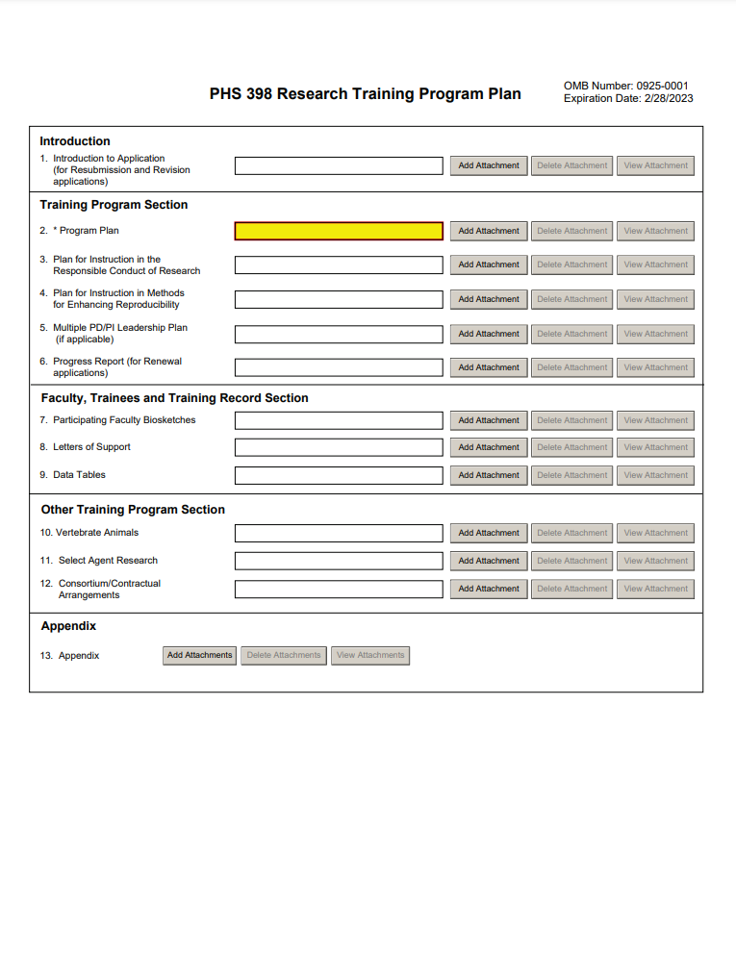
 |  |  | R&R Cover
 |  |  | Fill in webform | Type of Submission; Applicant info; Type of application; Changed/Corrected questions, Title, POP, PI info, AO info etc.
 |  |  | Pre-Application: Not applicable
1 |  |  | Cover letter: Required | Must include a list of referees (Name, dept, and Institution)
 |  |  | Cover Page Supplement
 |  |  | Fill in webform | Vertebrate Animal euthanization; Program Income; Human Embryonic Stem Cells lines; Inventions and Publication; Change of PI/Institution
 |  |  | Other Project Information
 |  |  | Fill in webform | Human Subjects; Vertebrate Animal; confidential; Foreign Collaborators
2 |  |  | Project Summary/Abstract | no more than 30 lines of text, understandable to a scientifically/technically literate lay reader
3 |  |  | Project Narrative | 2-3 sentences summary in plain language
4 |  |  | Bibliography & References Cited
5 |  |  | Facilities and Other Resources
6 |  |  | Equipment: Optional | List major items of equipment already available and identify location & pertinent capabilities
7 |  |  | Other attachments
 |  |  | Sites
 |  |  | Fill in webform | Primary and Subaward performance sites (not PO Boxes), UEI numbers (Formerly DUNS)
 |  |  | Senior/Key Person Profile
 |  |  | Fill in webform | Commons user ID; address; contact info; Project role; Biosketch
8 |  |  | Biographical sketch | 5 pages with personal statement and contributions to science
 |  |  | Career Development Award Supplemental Form
9 |  |  | Introduction to Resubmission or Revision Application (when applicable) | 1
10 |  |  | Candidate Information and Goals for Career Development and Research Strategy | 12 (for both RS and Candidate info combined )
11 |  |  | Specific Aims | 1
12 |  |  | Research Strategy | 12 (for both RS and Candidate info combined )
13 |  |  | Progress Report Publication List (for Renewal applications)
14 |  |  | Training in the Responsible Conduct of Research | 1
15 |  |  | Candidate's Plan to Provide Mentoring (Include only when required by the specific FOA, e.g., K24 and K05) | 6
16 |  |  | Plans and Statements of Mentor and Co-mentor(s) | 6
17 |  |  | Letters of Support from Collaborators, Contributors, and Consultants | 6
18 |  |  | Description of Institutional Environment | 1
19 |  |  | Institutional Commitment to Candidate's Research Career Development | 1
20 |  |  | Vertebrate Animals
21 |  |  | Select Agent Research
22 |  |  | Consortium/Contractual Arrangements
23 |  |  | Appendix
 |  |  | Human Subjects and Clinical Trials
 |  |  | Fill in webform | Are Human Subjects Involved?; Exemptions listing | If human subjects are involved expand the Human Subjects section below
<---- HS expansion

 | Major changes from Forms F to Forms G
1 | Everywhere: | Replace DUNS with UEI
2 | Everywhere : | Department and Division max characters increased to 100
3 | Fellowship Plan: | Added Childcare Costs
4 | Human Subjects: | changed single IRB plan "yes/no" to a single IRB attachment (now required unless an exemption is granted)
5 | Biosketch and OS: | New format implemented

