Information Provided
New York School of Medicine | All indirects go into general fund.
Christopher Newport University | 30% to Commonwealth of Virginia for Educational and General Services 70% to CNU for further breakdown: • 20% - Grants Administration • 25% - to Investigator Department for Research Usage • 30% - to Provost's Office for seeding Faculty Development Grants • 15% - to Business Office for Administrative Overhead • 10% - to Investigator for continuing his or her research
Keck Graduate Institute | IDC at KGI goes 100% into our general operating account.
University of Alaska | 36.4% - College/Unit 12.8% - Statewide 9.1% - Vice Provost for Research 4.7% - Library 4.7% - IT 18.8% - Administrative Services 13.5% - Facilities
Ohio State University | 100% - College 18% - Principal Investigator 7% - Department 18% - VPR Investment Fund
Florida State University | A. Two-thirds of the funds are distributed as follows: 1. 25% to the Council for Research and Creativity to be used in supporting faculty research. To obtain these funds, faculty members will be invited to submit written proposals. A college or school not generating SRAD funds may submit written proposals. The committee envisions this channel to be for relatively small grants of the sort made by COFRS. These funds may be supplemented by State support. 2. 75% to be divided among the colleges and schools in proportion to the overhead earnings of those colleges and schools in the preceding fiscal year. The moneys are to be used in support of research. a. 25% is distributed to colleges/schools b. 75% is distributed to departments B. One-third of the fund is allocated to the Vice President for Research to be used in support of costs such as renovation and facilities directly associated with University research, and other University-wide research needs.
Middlebury | 100% are taken into operating budget
University of Montana | Dean: 27% and Directors 73% The Dean's Office determines how the monies are to be allocated among the Departments/Pis
ACU | We do 30% to general University funds, 40% to central research office, 10% to college and 20% to department.
University of Massachusetts- Boston | We are 70% provost, 30% college (split 10/10/10 dean, department, PI).Since we don’t have a specific budget for research adminisration, the 70% is used for that.
Southern Illinois University | 2% off the top for IT 1.4% off the top for library Remainder is split: 30% to chancellor 40% to vice chancellor for research 30% to college
East Carolina University | Projects involving recognized research institutes that function as the administrative department: Division of Research – 60% (Vice Chancellor; OSP, OGC, and Compliance all report to the VCR; OSP and OGC are almost entirely funded with indirects, as are some of the division positions) Dean – 10% Institute – 10% PI’s Home Department – 10% PI – 10% (but home department manages their share; no separate PI accounts) All other projects (i.e., regular departments administering the projects) Division of Research – 70% Dean Department – 10% PI – 10% (managed by dept)
Nova Southeastern | We are: 45% President for administrative costs in support of sponsored projects, 30% colleges (deans) to support research, 20% PI/Co-PIs (breakdown of funds determined by effort percentages on the project) to be used for research, 5% President’s Research Reserve Account.
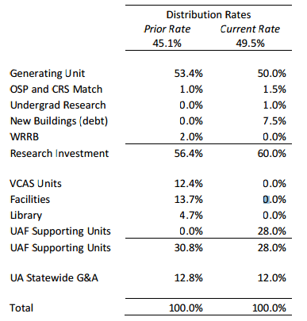
University of Alaska - Fairbanks

Middle Tennesse State | General Fund 10% Office of Research- 40% Faculty Research and Creative Activities Committee- 20% College- 10% Department- 10% PI- 10%
Loyola University New Orleans | At Loyola University New Orleans, a private PUI, the general fund receives 50%, and the balance goes to Academic Affairs. Upon request, the Provost will provide the latter portion in entirety to the faculty PI/PD. The stipulations are that the funds (1) be used for research/scholarly endeavors, especially to seed projects that may be the subject of future grant applications, (2) not be used to pay employee salaries/wages (except for students), and (3) be used within five years, although extensions may be granted. This policy was developed to incentivize faculty and does not apply to project leaders who are staff members. A previous administration authorized this policy without specifying that it was to be temporary, which is not something I recommend.
Notre Dame | At Notre Dame 20% goes to the central university budget, 28% to the VPR and 52% to the colleges. The colleges also have discretion regarding any further distribution. The VPR reinvests its share in research through cost sharing, seed grants, bridge funds, additional research support infrastructure, etc.
Columbus State University | 50% to the Institution 25% to the College 25% to the Department (supposedly this 25% goes to the PI)
UA Huntsville | 15.2% to Home Labor 10.6% Academic Affairs 4% to PI 23.2% to OVPR 47% to General Fund
University of North Carolina Wilmington | For our split, our billing department costs come “off the top,” then 30% goes to Business Affairs and 70% goes to Academic Affairs. Of the 70% that goes to Academic Affairs, 55% goes to the Provost office and 15% goes back to each College, School or Center with a portion of that 15% going back to the departments. The actual amount going back to the department is a College/School/Center decision and varies by school.
Washington State University | Allocations of both domestic and international F&A revenue to the units are distributed according to the following policy: F&A allocations to units are made quarterly based on actual F&A amounts collected the previous quarter. Each area is allocated 23% of gross F&A revenue collected, with 65% of the allocation (15% of F&A revenue collected) going to the department, and 35% of the allocation (8% of F&A revenue collected) going to the dean. The department is responsible to make some of the F&A revenue allocation available to the principal investigator to assist with grant administration, travel, student assistants, development of new research, grant matching or other expenses. Also, departments and deans are responsible to provide administrative support to centers, since they do not receive F&A allocations directly.
Western University of Health Sciences | At WU: 15% to the College; 43% to the VP of Research and Biotechnology for a General Research Pool; and 42% goes back to the General University under the direction of the CFO.
Governors State University | Current distribution at GSU for earned F&A is: 50% to the GSU general fund, 20% to the college/administrative unit and 10% each to the principal investigator, department/division and Provost.
Western Washington State | http://www.wwu.edu/rsp/documents/indirect.shtml
University of Colorado | At UCCS, 40% goes to the unit generating the ICR (typically a college), 30% Vice Chancellor for Administration and Finance, 20% Provost (most goes to support the Office of Research and my office), 10% to the library.
Western Michigan University | PI (research IDC account)........10% Department...............................10% College......................................10% General Fund............................20% OVPR.......................................30% WMURF.....................................5% Research Development Fund.....5%
Indiana University School of Medicine | At the Indiana University School of Medicine, out of our current 56% DHHS-negotiated rate the university receives 2.5% leaving 53.5% to the school, which is then split 25/75 between the dean and the department holding the grant. While 75% to the department sounds too good to be true, we in turn charge them space rent. Also, we have a mechanism whereby the department can share a percentage of their F&A earnings with collaborating departments by project, as appropriate.
Utah State University | At USU the first 70% goes to our VPR and is used to put back into research endeavors (e.g., seed grants, etc), some funds our office and other things. 30% goes back to the colleges and they have discretion on how that is split up. A typical split might be 3% to the college, 7.5% to the Department, and the balance to the PI. Every college/school here at USU divides it up differently so there is no real formula or consistent breakdown other than the 70/30 split mentioned above.
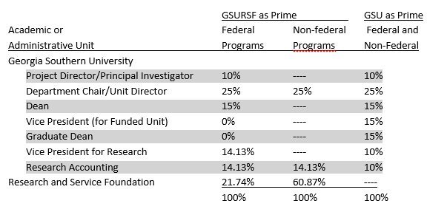
Georgia Southern University

Maryville University | the current practice is 50% to the institution, 40% to the Dean of the college where the research is taking place, and 10% to the Office of Sponsored Programs. We are looking at best practices with regard to utilizing indirects so I will be interested in seeing what responses you get. I’d like my institution to consider a certain percentage going to the PI to encourage grant writing and research, but not sure I can get them to agree without data backing such an option.
Colorado School of Mines | 4.0000% VPRTT Research Dev 4.0000% College Dean Research Dev 7.3050% Center Fund 7.3050% PI Research Dev 77.3900% General Fund

